Topology
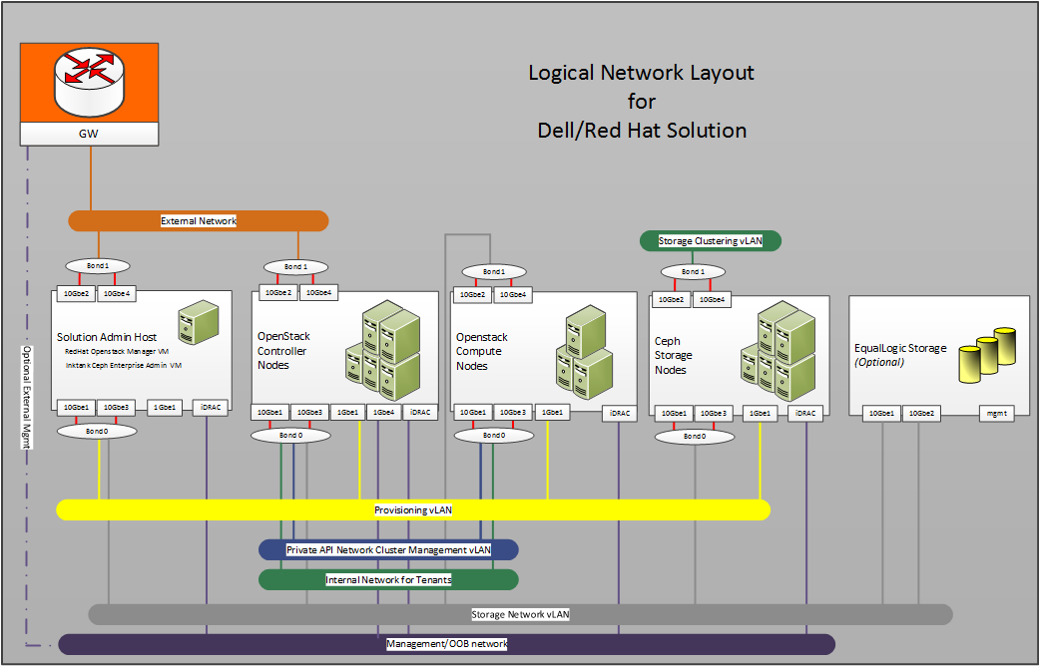

VLANs
ID | Description | Column1 | Column2
110 | OOB | 192.168.110.0/24
120 | Provisioner | 192.168.120.0/24
140 | Private API Network | 192.168.140.0/24
2251 | External Network | 10.152.251.0/24
170 | Storage Network | 192.168.170.0/24
180 | Storage Clustering | 192.168.180.0/24
190 | Nova-Network-Public | 192.168.190.0/24 | (1) VLAN untagged bond1 gw: 190.254
201-220 | Internal Network | 192.168.202-220.0/24 | tagged VLAN 202-205 for VLAN Manager
2369 | SAH Vlan | 192.168.251.0/24 | Auto SAH Installer

Table 7 Node Type to Network 802.1q Tagging
 | Solution Admin Host | OpenStack Controller | OpenStack Compute | Ceph Storage | EqualLogic Array
Provisioning | Connected-Tagged | Connected-Untagged | Connected-Untagged | Connected-Untagged | Not Connected
External Network | Connected-Tagged | Connected-Untagged | Not Connected | Not Connected | Not Connected
Private API Network Cluster Mgmt | Not Connected | Connected-Tagged | Connected-Tagged | Not Connected | Not Connected
Internal Tenant Netwroks | Not Connected | Connected-Tagged | Connected-Tagged | Not Connected | Not Connected
Storage Network | Connected-Tagged | Connected-Tagged | Connected-Untagged | Connected-Untagged | Connected-Untagged
Storage Clustering | Not Connected | Not Connected | Not Connected | Connected-Untagged | Not Connected
Management/OOB | Not Connected | Connected-Untagged | Not Connected | Not Connected | Not Connected
iDRAC physical connection to the Management/OOB | Connected-Untagged | Connected-Untagged | Connected-Untagged | Connected-Untagged | Not Connected

